
 |  |  |  | CODE: |  |  | pl1250 aa SN from 98L000
DESCRIPTION: |  | ELECTRIC UNIT 1 |  | ELEKTRISCHE GRUPPE 1 | GROUPE ELECTRIQUE 1 | GRUPO ELÉCTRICO 1 | PARTI ELETTRICHE 1
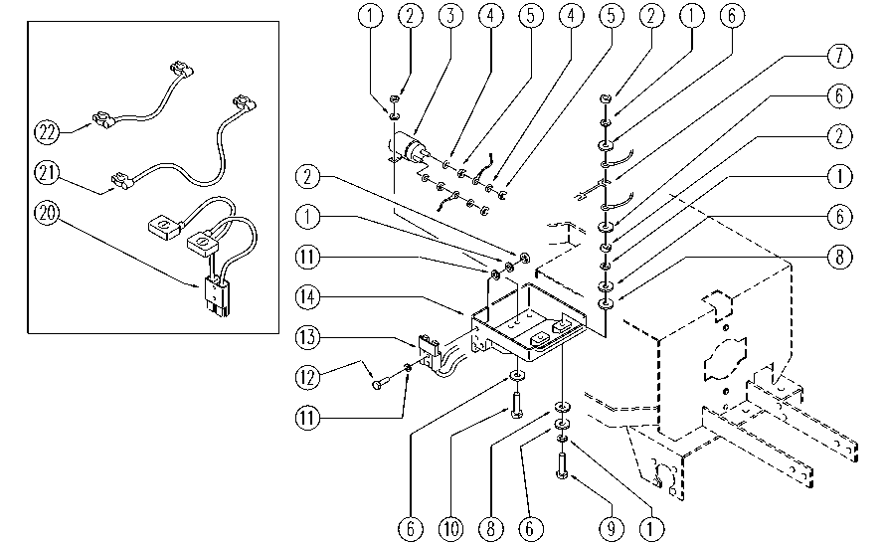

REF. | CODE | DESCRIPTION | QT
1 | E86700 | Cham Washer D6 | 10
2 | E86701 | Nut M6 | 8
3 | E86646 | Remote Control | 1
4 | E86702 | Cham Washer D8 | 4
5 | E86703 | Nut M8 | 8
6 | E86704 | Washer D 6-18 | 8
7 | E86836 | Fuse 100 amp | 1
8 | E86881 | Washer | 4
9 | E86705 | Screw TE M 6-30 | 2
10 | E86706 | Screw TE M 6-16 | 2
11 | E86707 | Cham Washer D10 | 4
12 | E86708 | Screw TE M 6-35 | 2
13 | E11410 | SB175 Red Electrical Connector | 1
14 | E86661 | Cover for AS28 | 1
20 | SL23867J | WIRING | 1
21 | SL23868 | BRIDGE / JUMPER | 1
22 | SL23016 | BRIDGE / JUMPER | 1

